Overview
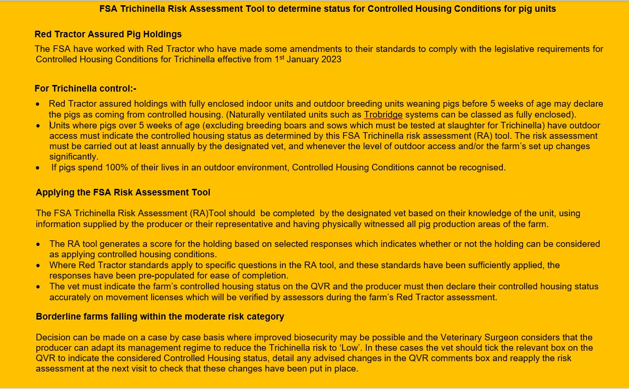

If you have any questions relating to the FSA Trichinella Risk Assessment Tool:-
mailto:meathygiene@food.gov.uk

Red Tractor Assured Holdings
Category | Question (Click on link for guidance) |  | Answer (pre-populated where RT standards are deemed to apply) | Question Risk Score
Housing | Q1 | What percentage of the production cycle do pigs have access to outdoor areas? | 0-25% | 0.001125

 | Q2 | How much exposure to the outside environment does the pig holding provide? | Partially enclosed | 0.01125

 | Q3 | Bedding material (indoor and outdoor pens) | Yes & stored elsewhere | 0.03

 | Q4 | Does the current management system prevent pigs from coming into contact with Trichinella susceptible wildlife? | Red Tractor Standards applied/Yes and no flaws in system in past 6 months | 0.00375

Pig Feeding | Q5 | Is any bought-in feed from an assured source or in specific circumstances with a warranty declaration? | Red Tractor standards applied/Yes | 0.001125

 | Q6 | Does on-farm mixing of feed take place using home mills and mix units? | Red Tractor standards applied/Yes (mill and mix units officially inspected and licensed by Government legislative bodies?) | 0.0075

 | Q7 | Pig feed storage | Red Tractor Standards applied/ Outdoor and completely inaccessible for rodents and other animals | 0.001125

 | Q8 | Feeding regimen | Feeding is ad lib | 0.015

 | Q9 | Does the feeder design potentially provide rodent harbourage? | Red Tractor standards applied/No | 0.00075

 | Q10 | Is there evidence of spilled feed? | Red Tractor standards applied/No | 0.00075

 | Q11 | Drinker types | Nipples | 0.00075

 | Q12 | Do rodents have access to water system? | Red Tractor standards applied /No | 0.000375

 | Q13 | Water system cleaning regimen | Annually | 0.00375

 | Q14 | Are there footpaths and/or laybys allowing members of the public near the pig areas? | No | 0.00075

Rodent control | Q15 | Is rodent control applied in or around the facility? | Yes | 0

 |  | q15a. Does the farm have a written rodent control plan and log? | Red Tractor standards applied/Yes | 0.001

 |  | q15b. Is rodent control or monitoring applied at potential entry points to the facility? | Red Tractor standards applied/Yes | 0.0005

 |  | q15c. Is rodent control or monitoring applied inside the facility? | Red Tractor standards applied/Yes | 0.0005

 |  | q15d. Is rodent control or monitoring applied in feed storage areas? | Red Tractor standards applied/Yes | 0.001

 |  | q15e. Are rodent carcasses collected and disposed of? | Red Tractor Standards applied/Yes, they are disposed of by approved means e.g. burial in accordance with HSE guidelines | 0.002

 | Q16 | Is there evidence of recent rodent activity in or around the facility? | No | 0.0025

 | Q17 | How much of the area within 20m of pig accommodation offers rodent harbourage? | Red Tractor Standards applied/0-25% | 0.001875

 | Q18 | What is the ground surface of the area within 2m of pig accommodation mostly made up of? | Vegetation mown throughout the year to 10cm or less to minimise harbourage | 0.01875

 | Q19 | Is there a rubbish dump/ landfill site within a 2km radius of the farm? | No | 0.00125

Pig management | Q20 | Are all animals leaving and arriving to the holding identifiable in a way that can be traced back to the original holding? | Red Tractor Standards applied/Yes | 0.0025

 | Q21 | How frequently are dead pigs removed from the pens? | Red Tractor Standards applied/Once daily | 0.0375

 | Q22 | Are stored dead pigs completely inaccessible to rodents and other animals? | Red Tractor Standards applied/Yes | 0.00375

 | Q23 | How are dead pigs disposed of? | Red Tractor Standards applied/Licensed Contrator/Defra approved/licensed on-farm incineration | 0.0025

Wildlife | Q24 | Are foxes actively controlled at the holding? | Yes with prompt carcase disposal off-site | 0.004

 | Q25 | Is there supplementary commercial feeding of game or other wildlife within 2km of the holding? | No | 0.002

 | Q26 | Is game shooting practised within 2km of the holding? | No | 0.004

check |  |  | FINAL SCORE | 0.16

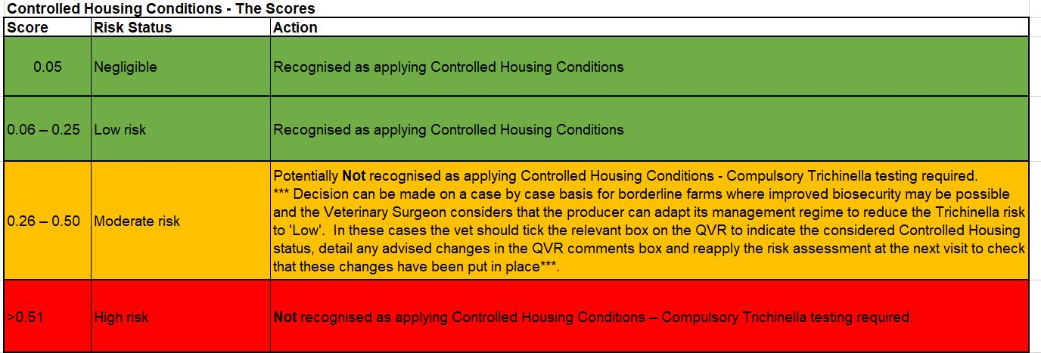

 | If you have any questions relating to the FSA Trichinella Risk Assessment Tool:-
 | mailto:meathygiene@food.gov.uk

